Glycomics Reporting
 |  |  |  |  |  |  |  | 911.3362 | 162.0528 | 203.0794 | 146.0579 | 291.0954 | 307.09 | 42.0106 | 79.96
ID | GlyTouCan ID | RT (min) BM0 | Det m/z | Z | theor. [M-xH]x- | ∆M | theor. [M-H]- | Core Type | Hex | HexNAc | Fuc | NeuAc | NeuGc | Acetate | Sulphate | Proposed Structure | Category | Subcategory | Comment Diagnostic ions (m/z) and exoglycosidases info | BM0_1 | BM0_2 | BM0_3 | BM0_4 | BM37_1 | BM37_2 | BM37_3 | BM37_4 | R7B1_1 | R7B1_2 | R7B1_3 | R7B1_4 | R7B3_1 | R7B3_2 | R7B3_3 | R7B3_4 | R7B6_1 | R7B6_2 | R7B6_3 | R7B6_4

48 | G96130JE | 21.6 | 472.14 | 1 | 472.17 | 0.027 | 472.17 |  | 1 |  |  | 1 |  |  |  |  | NA | GalSiAc |  | 6.93 | 7.82 | 6.91 | 6.42 | 8.96 | 9.51 | 8.48 | 8.92 | 7.72 | 7.99 | 3.82 | 3.51 | 8.32 | 8.79 | 9.17 | 9.30 | 8.70 | 8.43 | 8.89 | 8.83
49 | G84906ML | 26.8 | 482.64 | 2 | 482.67 | 0.031 | 966.34 |  | 1 | 1 |  | 2 |  |  |  | 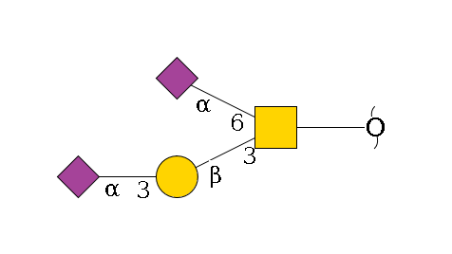 | Core 1 | Sialylated | HexNac(2-3Hex)(2-6SiAc)
 |  | 26.8 | 966.26 | 1 | 966.34 | 0.082 | 966.34 |  | 1 | 1 |  | 2 |  |  |  |  |  |  |  | 10.67 | 10.18 | 12.94 | 12.98 | 13.22 | 13.24 | 12.32 | 13.17 | 35.71 | 35.59 | 35.15 | 35.51 | 24.91 | 25.02 | 24.35 | 26.42 | 26.70 | 26.27 | 27.18 | 27.03
50 | G38301SX | 38.5 | 513.22 | 1 | 513.19 | -0.026 | 513.19 |  |  | 1 |  | 1 |  |  |  | 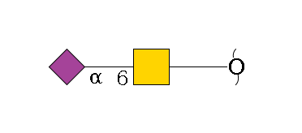 | NA | S-Tn |  | 1.59 | 1.67 | 1.17 | 1.28 | 2.20 | 2.50 | 2.20 | 2.17 | 1.34 | 1.31 | 1.46 | 1.52
51 | G31601FB | 19.0 | 587.18 | 1 | 587.23 | 0.051 | 587.23 |  | 1 | 2 |  |  |  |  |  | 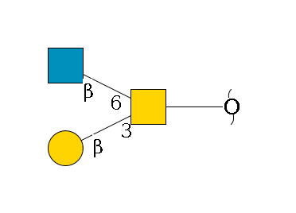 | Core 2 | NA | only 3 MS/MS spectra. Very intense 407 (HexNAc+HexNAc with red end) 366 present (HexHexNAc with red end) | 0.33 | 0.28 | 0.30 | 0.27 | 0.56 | 0.80 | 0.34 | 0.40
52a | G65805JY | 40.8 | 665.18 | 2 | 665.24 | 0.057 | 1331.47 |  | 2 | 2 |  | 2 |  |  |  |  | Core 2 | Sialylated | absent 495 (no SiAc in red HexNAc) no 673, indicating HexNAc+Hex+SiAc 569 not present (HexNAc+HexNAc+Hex with red end) 860 and 878 present (HexNAc+HexNAc+Hex+SiAc with red end) very intense 1040 perhaps similar as second isomer with different linkages potentially one 2-3 (low) and one 2-6 sialic acid (top)
 |  | 40.8 | 1331.37 | 1 | 1331.47 | 0.104 | 1331.47 |  | 2 | 2 |  | 2 |  |  |  |  |  |  |  | 0.35 | 0.31 | 0.35 | 0.32 | 0.48 | 0.66 | 0.25 | 0.31 | 0.78 | 0.80 | 0.80 | 0.91 | 0.59 | 0.73 | 0.75 | 0.54 | 1.01 | 1.10 | 0.93 | 1.01
52b | G52120NK | 51.5 | 665.17 | 2 | 665.24 | 0.067 | 1331.47 |  | 2 | 2 |  | 2 |  |  |  | 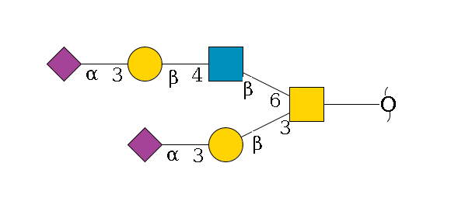 | Core 2 | Sialylated
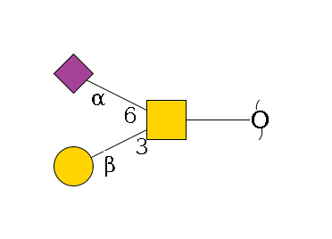
 |  | 51.5 | 1331.36 | 1 | 1331.47 | 0.114 | 1331.47 |  | 2 | 2 |  | 2 |  |  |  |  |  |  |  | 10.80 | 10.06 | 12.30 | 11.39 | 9.66 | 10.68 | 10.98 | 10.03 | 2.96 | 2.74 | 2.69 | 2.71 | 6.35 | 6.10 | 5.98 | 5.17 | 3.32 | 3.45 | 2.99 | 3.06
53a | G65285QO | 19.6 | 675.19 | 1 | 675.25 | 0.057 | 675.25 |  | 1 | 1 |  | 1 |  |  |  |  | Core 1 | Sialylated | Spectra intensities score in Glycomod of 0.92 |  |  |  |  |  |  |  |  | 1.68 | 1.78 | 2.11 | 2.55 | 1.42 | 1.68 | 1.78 | 1.51 | 1.01 | 1.20 | 1.22 | 1.37
53b | G40269CS | 23.3 | 675.21 | 1 | 675.25 | 0.037 | 675.25 |  | 1 | 1 |  | 1 |  |  |  | 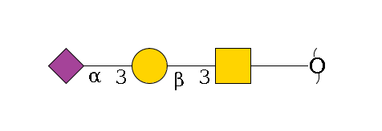 | Core 1 | S-T | This can be any of the two drawn structures (1.00 for both) No discearnable peaks. | 25.28 | 24.88 | 25.42 | 24.90 | 22.65 | 23.32 | 23.24 | 23.42 | 29.95 | 31.22 | 32.63 | 32.85 | 35.96 | 36.14 | 35.66 | 35.06 | 30.81 | 31.60 | 31.07 | 31.67
54 | G18132YR | 23.7 | 749.22 | 1 | 749.28 | 0.063 | 749.28 |  | 2 | 2 |  |  |  |  |  | 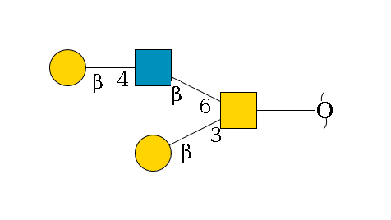 | Core 2 | Neutral |  | 4.87 | 4.68 | 3.76 | 3.68 | 5.01 | 5.34 | 5.51 | 5.45 | 2.93 | 3.16 | 3.75 | 3.44 | 3.71 | 3.91 | 3.95 | 3.92 | 3.24 | 3.49 | 3.71 | 3.73
55a |  | 45.4 | 821.27 | 1 | 821.30 | 0.034 | 821.30 |  | 1 | 1 | 1 | 1 |  |  |  |  | O-Fuc | Sialylated+Fucosylated | not a lot of MS/MS spectra (not picked as compound) 350+368 present indicating fucose linked to HexNAc in red end | 0.79 | 0.74 | 0.73 | 0.69 | 1.25 | 1.17 | 0.89 | 0.94 | 0.48 | 0.48 | 0.51 | 0.58 | 0.89 | 0.95 | 1.04 | 0.78 | 0.64 | 0.81 | 0.61 | 0.68
55b |  | 46.7 | 821.23 | 1 | 821.30 | 0.074 | 821.30 |  | 1 | 1 | 1 | 1 |  |  |  |  | O-Fuc | Sialylated+Fucosylated | O-fucose? POFUT1 and POFUT2 are present (RNAseq) so it is possible not a lot of MS/MS spectra (not picked as compound) 350+368 present indicating fucose linked to HexNAc in red end | 1.21 | 1.23 | 0.98 | 1.04 | 1.62 | 1.71 | 1.48 | 1.53 | 0.63 | 0.54 | 0.73 | 0.73 | 1.07 | 1.22 | 1.32 | 1.13 | 0.80 | 0.79 | 0.79 | 0.87
56a |  | 54.0 | 847.71 | 2 | 847.80 | 0.093 | 1696.61 |  | 3 | 3 |  | 2 |  |  |  | 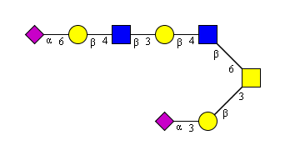 | Core 2 | Sialylated | RT indicates a difference of linkage of one sialic acid. Upper arm sialic acid should be in 2-6 linkage | 3.93 | 3.97 | 3.99 | 4.77 | 2.04 | 1.73 | 1.75 | 1.55 | 2.07 | 1.72 | 1.97 | 1.85 | 2.39 | 2.15 | 2.30 | 2.13 | 3.32 | 3.17 | 3.47 | 2.97
56b | G46915JA | 68.2 | 847.69 | 2 | 847.80 | 0.113 | 1696.61 |  | 3 | 3 |  | 2 |  |  |  | 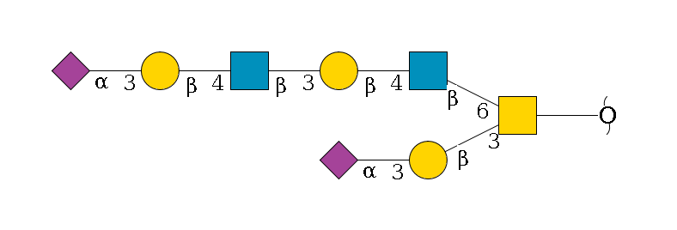 | Core 2 | Sialylated |  | 2.75 | 3.04 | 2.46 | 2.88 | 1.92 | 1.93 | 1.75 | 1.60
57 | G35679QA | 28.7 | 878.25 | 1 | 878.33 | 0.076 | 878.33 |  | 1 | 2 |  | 1 |  |  |  | 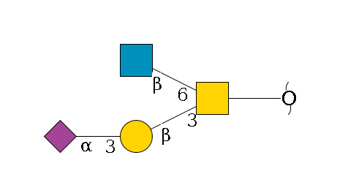 | Core 2 | Sialylated | Very good superimposition of the spectra with UniCarbDB | 1.21 | 1.29 | 1.16 | 1.23 | 1.74 | 1.50 | 1.36 | 1.44 | 0.65 | 0.54 | 0.65 | 0.59 | 0.76 | 0.92 | 0.93 | 0.86 | 0.83 | 0.90 | 0.91 | 0.86
58 | G86083AM | 63.0 | 884.72 | 2 | 884.82 | 0.102 | 1770.64 |  | 4 | 4 |  | 1 |  |  |  |  | Core 2 | Sialylated | 1040,675 indicate o glycan with sialic acid close to reducing end. Lower arm occupied by 2-3 linked sialic acid | 1.44 | 1.45 | 1.19 | 1.33 | 1.00 | 1.07 | 1.03 | 1.03 |  |  |  |  |  |  |  |  | 0.62 | 0.67 | 0.57 | 0.77
59 |  | 66.8 | 1030.25 | 2 | 1030.37 | 0.119 | 2061.74 |  | 4 | 4 |  | 2 |  |  |  |  | Core 2 | Sialylated | similar to structure 58 with one more SiAc. In this case, due to the retention time observed, it mnight have 2-6 SiAc on upper arm | 1.24 | 0.89 | 0.88 | 0.83 |  |  |  |  | 0.59 | 0.53 | 0.53 | 0.75 | 0.91 | 0.86 | 0.86 | 0.56 | 1.21 | 1.37 | 0.85 | 1.14
60a | G08140FC | 35.0 | 1040.29 | 1 | 1040.38 | 0.089 | 1040.38 |  | 2 | 2 |  | 1 |  |  |  | 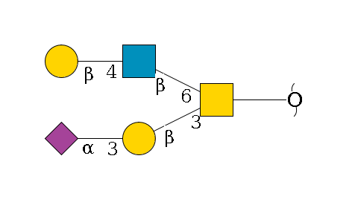 | Core 2 | Sialylated | Very good superimposition of the spectra with UniCarbDB | 23.06 | 24.16 | 22.51 | 23.23 | 23.21 | 19.69 | 23.90 | 23.56 | 10.23 | 9.31 | 10.73 | 9.82 | 10.68 | 9.73 | 10.07 | 10.72 | 15.35 | 14.16 | 14.54 | 13.42
60b | G62217NB | 42.1 | 1040.29 | 1 | 1040.38 | 0.089 | 1040.38 |  | 2 | 2 |  | 1 |  |  |  | 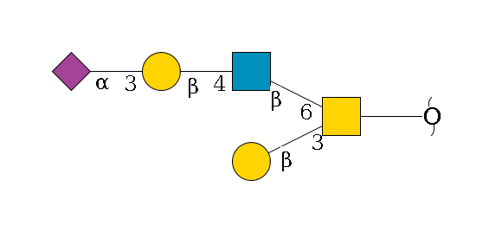 | Core 2 | Sialylated | Very good superimposition of the spectra with UniCarbDB | 2.04 | 1.98 | 1.56 | 1.49 | 2.80 | 2.81 | 3.26 | 3.16 | 1.65 | 1.62 | 1.84 | 1.77 | 2.02 | 1.82 | 1.84 | 1.87 | 1.42 | 1.46 | 1.37 | 1.49
61 | G86537AD | 41.5 | 1114.3 | 1 | 1114.42 | 0.116 | 1114.42 |  | 3 | 3 |  |  |  |  |  |  | Core 2 | Neutral | limited MS/MS spectra composition only potentially Glycan#63 without SiAc (retention time) | 0.41 | 0.31 | 0.31 | 0.29 | 0.48 | 0.75 | 0.35 | 0.33 | 0.31 | 0.33 | 0.31 | 0.44 |  |  |  |  | 0.45 | 0.52 | 0.44 | 0.52
62 | G02353KU | 30.3 | 1186.30 | 1 | 1186.44 | 0.137 | 1186.44 |  | 2 | 2 | 1 | 1 |  |  |  |  | Core 1 | Sialylated+Fucosylated | Difficult MS/MS spectra analyses UniCarbDB give three equivalent results Most probable structure is the one depicted | 0.51 | 0.48 | 0.52 | 0.48 | 0.61 | 0.78 | 0.44 | 0.48 | 0.31 | 0.33 | 0.32 | 0.44 |  |  |  |  | 0.57 | 0.64 | 0.45 | 0.56
63 | G32216IU | 49.3 | 1405.33 | 1 | 1405.51 | 0.181 | 1405.51 |  | 3 | 3 |  | 1 |  |  |  | 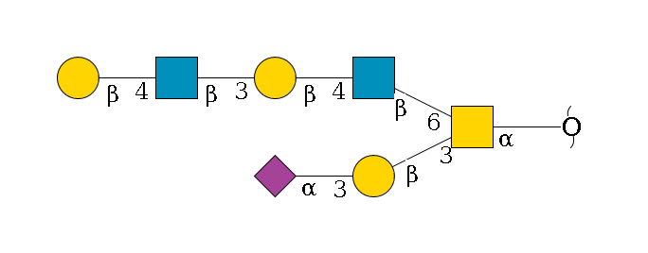 | Core 2 | Sialylated | Very good superimposition of the spectra with UniCarbDB | 0.60 | 0.59 | 0.57 | 0.50 | 0.60 | 0.80 | 0.49 | 0.49
 |  |  |  |  |  |  |  |  |  |  |  |  |  |  |  |  |  |  |  | 100.00 | 100.00 | 100.00 | 100.00 | 100.00 | 100.00 | 100.00 | 100.00 | 100.00 | 100.00 | 100.00 | 100.00 | 100.00 | 100.00 | 100.00 | 100.00 | 100.00 | 100.00 | 100.00 | 100.00

